Title page
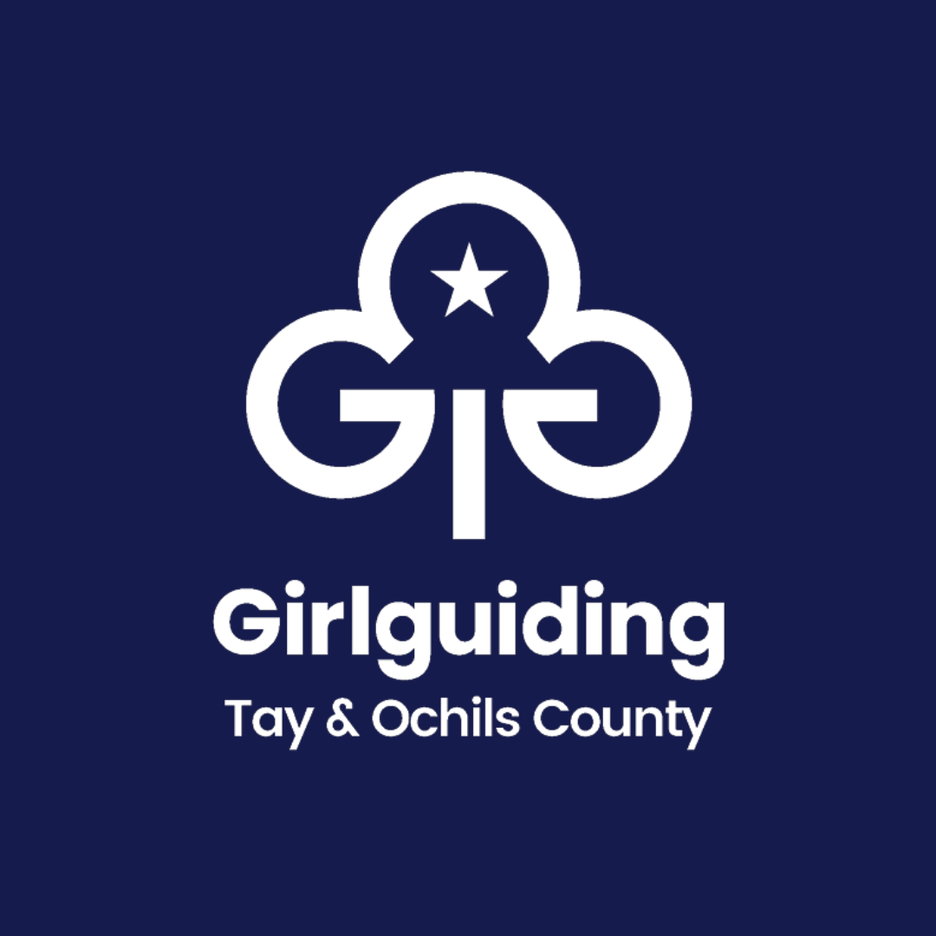

Gartmorn District

2nd Clackmannan Rainbows

Charity Number (if registered):

SC047312

Annual Report and Financial Statements

for the year ended 31st March 2026

